NOTE
Guide for manufacturer of aortic valves
Version 1.2
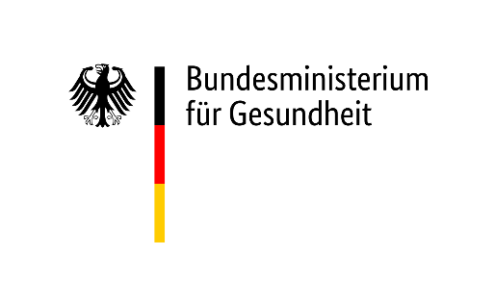

Please take note that this document is a guide of how to collect and send us registration and article data.
This document can be used to collect your data but its use is not obligatory. It should give you an overview
of the data we need and you can use your IT solutions to provide them for us in the suggested formats.

If you have questions, don't hesitate to contact us:
produktdaten-ird@bmg.bund.de

 | What's new?
V1.1 | The validation of aortic valve diameter caused some problems. Therefore it was removed now.
V1.2 | Support address changed from D-Trust to BMG

